Varirables
Input/Output Variables
Name
Father Name
Date of Birth | Student Admission Process
Home Address | The flowchart is the brief expression of processes which includes the performas , admission tests and final selection
Phone Number | For the better view the PDF file is placed.
Email
Previous Institution(s)
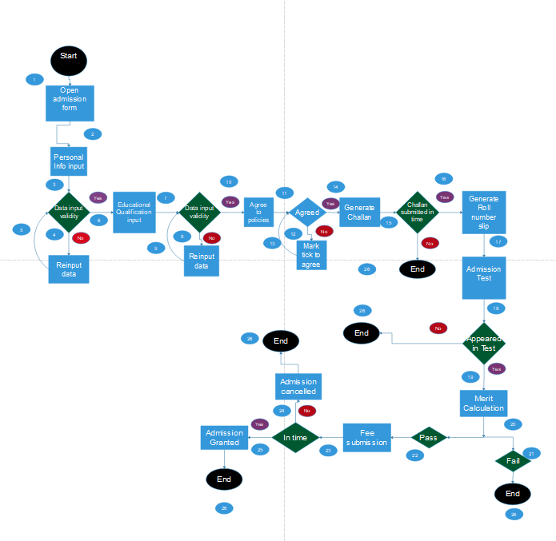
Previous Degree(s)
Previuos Result(s)
Admission Test Score
Merit Calculated

